Schedule
PERALTA COMMUNITY COLLEGE DISTRICT
2024 4/10 ALTERNATIVE SUMMER WORK SCHEDULE
Submit completed form to your supervisor by 5/17/24

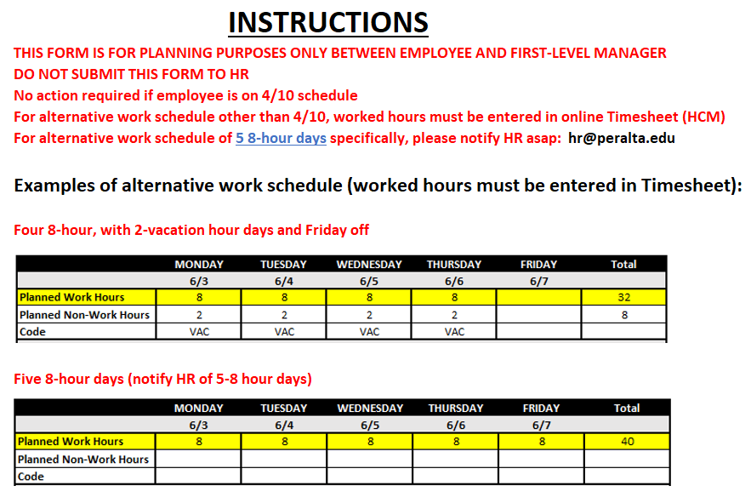
Last Name: |  |  |  |  | 4/10 Schedule Start Date: | 2024-06-03
First Name: |  |  |  |  | 4/10 Schedule End Date: | 2024-07-26
Employee ID#:
Campus/Site: |  |  |  |  | Juneteenth: | 2024-06-19
 |  |  |  |  | Independence Day: | 2024-07-04

 | MONDAY | TUESDAY | WEDNESDAY | THURSDAY | FRIDAY | Total
 | 2024-06-03 | 2024-06-04 | 2024-06-05 | 2024-06-06 | 2024-06-07
Planned Work Hours |  |  |  |  |  | 0
Planned Non-Work Hours
Code
 | 2024-06-10 | 2024-06-11 | 2024-06-12 | 2024-06-13 | 2024-06-14
Planned Work Hours |  |  |  |  |  | 0
Planned Non-Work Hours
Code
 | 2024-06-17 | 2024-06-18 | 2024-06-19 | 2024-06-20 | 2024-06-21
Planned Work Hours |  |  |  |  |  | 0
Planned Non-Work Hours
Code
 | 2024-06-24 | 2024-06-25 | 2024-06-26 | 2024-06-27 | 2024-06-28
Planned Work Hours |  |  |  |  |  | 0
Planned Non-Work Hours
Code
 | 2024-07-01 | 2024-07-02 | 2024-07-03 | 2024-07-04 | 2024-07-05
Planned Work Hours |  |  |  |  |  | 0
Planned Non-Work Hours
Code
 | 2024-07-08 | 2024-07-09 | 2024-07-10 | 2024-07-11 | 2024-07-12
Planned Work Hours |  |  |  |  |  | 0
Planned Non-Work Hours
Code
 | 2024-07-15 | 2024-07-16 | 2024-07-17 | 2024-07-18 | 2024-07-19
Planned Work Hours |  |  |  |  |  | 0
Planned Non-Work Hours
Code
 | 2024-07-22 | 2024-07-23 | 2024-07-24 | 2024-07-25 | 2024-07-26
Planned Work Hours |  |  |  |  |  | 0
Planned Non-Work Hours
Code
CODES: | VAC - Vacation |  | CTT - Use Previously Earned Comp Time
 | FHL - Floating Holidays |  | LOP - Leave Without Pay/Loss of Pay
 | PNC - Personal Necessity

 | Employee's Signature: |  |  |  | Date:
 | Supervisor's Signature: |  |  |  | Date:

